1. Applicant Information
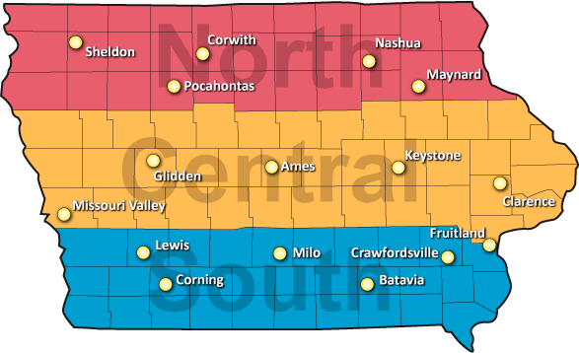
Fill in the following Company and Contact Information forms. Information entered here will be copied to subsequent forms.

NOTE:
The company information provided here will be published online and in our hard-copy reports.
Use this file for ONE BRAND NAME only. To submit additional brands, use a copy of this file.
Application Date: | This date is linked to the invoice.

COMPANY INFORMATION | Example
Brand Name: | Big Chad's
Company Name: | Big Chad's Hybrid Seed Co.
Website: | bigchadseed.com
Phone Number: | 515-264-5604
Address Line 1: | 1234 Main St.
Address Line 2: | PO Box 56
City: | Anytown
ST: | IA
ZIP: | 50206

APPLICANT CONTACT INFORMATION
Name: | Big Chad
E-mail: | bigchad@bigcorn.com
Cell Phone: | 555-BR-549

2. Abbreviations
NOTE:
This sheet is for information only. There is nothing to enter on this form. Please use these abbreviations for the trait and treatment columns of the Corn Application worksheet.

Code | Insecticide Seed Treatment | Code | GMO Trait Package
A500PV | Acceleron 500/Poncho/VOTiVO | AM | Optimum AcreMax
ACL250 | Acceleron | AMX | Optimum AcreMax Xtra
ACL500 | Acceleron | AMXT | Optimum AcreMax Xtreme
C250 | Cruiser @ 0.250 mg ai / seed | ARTSN | Agrisure Artesian
CEP | Cruiser Extreme Pak | CB | Agrisure CornBorer
ESC | Escalate | DG | Genuity DroughtGard
MX-QT | Maxim XL + Quattro | GT3K | Agrisure 3000GT
P500 | Poncho | HX1 | Herculex
P500V | Poncho 500 VOTiVO | HXX | Herculex XTRA
PPST | Pioneer Premium Seed Treatment | OI | Optimum Intrasect
 |  | OT | Optimum TRIsect
Code | Herbicide Technology | RW | Agrisure Rootworm
GT | Agrisure Glyphosate Tolerant | SSX | SmartStax
LL | Liberty Link | V3110 | Viptera 3110
RR2 | Roundup Ready 2 | V3111 | Viptera 3111
GT, LL | Agrisure Glyphosate Tolerant, Liberty Link | VT2P | YieldGard VT Double PRO
LL, RR2 | Liberty Link, Roundup Ready | VT3P | YieldGard VT Triple PRO
 |  | YGVT2 | YieldGard VT Double
 |  | -RIB | Refuge-in-Bag

4. Seed Shipment Invoice
 |  |  |  |  |  |  |  |  | Office Use Only
 | Date Shipped: |  |  |  |  | Seed Shipping Deadlines: March 16--Corn April 1--Soybeans
 | Via:
 | Contact:

 |  |  |  |  |  |  |  | Check Here For Partial Shipments
 |  | Entries by District |  |  | Entries / Hybrid | Quantity (pounds) | Quantity (kernels) |  | Arrival Date | Checked By
# | Entry | North | Central | South
NOTES:
The green cells are the only editable cells on this worksheet. All other information is derived from the Applicant Information and Corn Application worksheets.
Please send a copy of this invoice with your seed shipment.
For partial shipments, please use the green column to mark which of the entries are included in the shipment.
For seed quantity to be shipped--use either the weight or the count column.
1
2
3
4
5
6
7
8
9
10
11
12
13
14
15
16
17
18
19
20
21
22
23
24
25

5. Payment Invoice
NOTE:
The green cells are the only editable cells on this worksheet. All other information is derived from the Applicant Information and Corn Application worksheets.
2017 Invoice |  |  | Iowa Crop Performance Tests Jim Rouse 515-294-5604
Iowa Crop Performance Tests—Corn

INVOICE: | Rouse/ICPT–Corn
DATE: | Enter date at top of '1. Applicant Information' worksheet

BILL TO: |  |  | Please make checks payable to ICPT—Corn and mail to:

, |  |  | Iowa Crop Improvement Association
 |  |  | 4611 Mortensen Rd, Ste 101
 |  |  | Ames, IA 50014-6228

ORDER NO. | DATE SHIPPED | SHIPPED VIA | F.O.B. | TERMS
 |  |  |  | Application due March 1 | Payment due March 1

Please send a copy of this invoice with your payment.
No. Entries. | DESCRIPTION |  |  | UNIT PRICE | TOTAL
 | Iowa Crop Performance Tests—Corn
 | North district |  |  | $500 | -
 | Central district |  |  | $500 | -
 | South district |  |  | $500 | -

 |  |  | TOTAL AMOUNT DUE: |  | -

6. Freight Shipping Label
If shipping seed via ANY freight carrier:

0
0, 0 0

 | Ship To:

 | Iowa Crop Perf. Tests—Corn
 | c/o ISU Curtiss Farm
 | 2219 State Ave.
 | Ames, IA 50010
NOTE:
Use this shipping label for FREIGHT CARRIERS ONLY (UPS, Fed Ex, etc.). The US Post Office does not deliver to the Curtiss Farm, and mail shipped there via USPS ends up in random places around Ames!
You must fill in the Applicant Information worksheet before printing this label.
Please use this return address even if seed is shipped from a different location.

7. Post Office Shipping Label
If shipping seed via the US Post Office:

0
0, 0 0

 | Ship To:

 | Iowa Crop Perf. Tests—Corn
 | c/o Iowa Crop Improvement
 | 4611 Mortensen Rd
 | Suite 101
 | Ames, IA 50014
NOTE:
This label is for US Postal Service shipments only!
If possible please ship seed via a freight carrier using the 'Freight Shipping Label'.
You must fill in the Applicant Information worksheet before printing this label.
Please use this return address even if seed is shipped from a different location.

